Cover
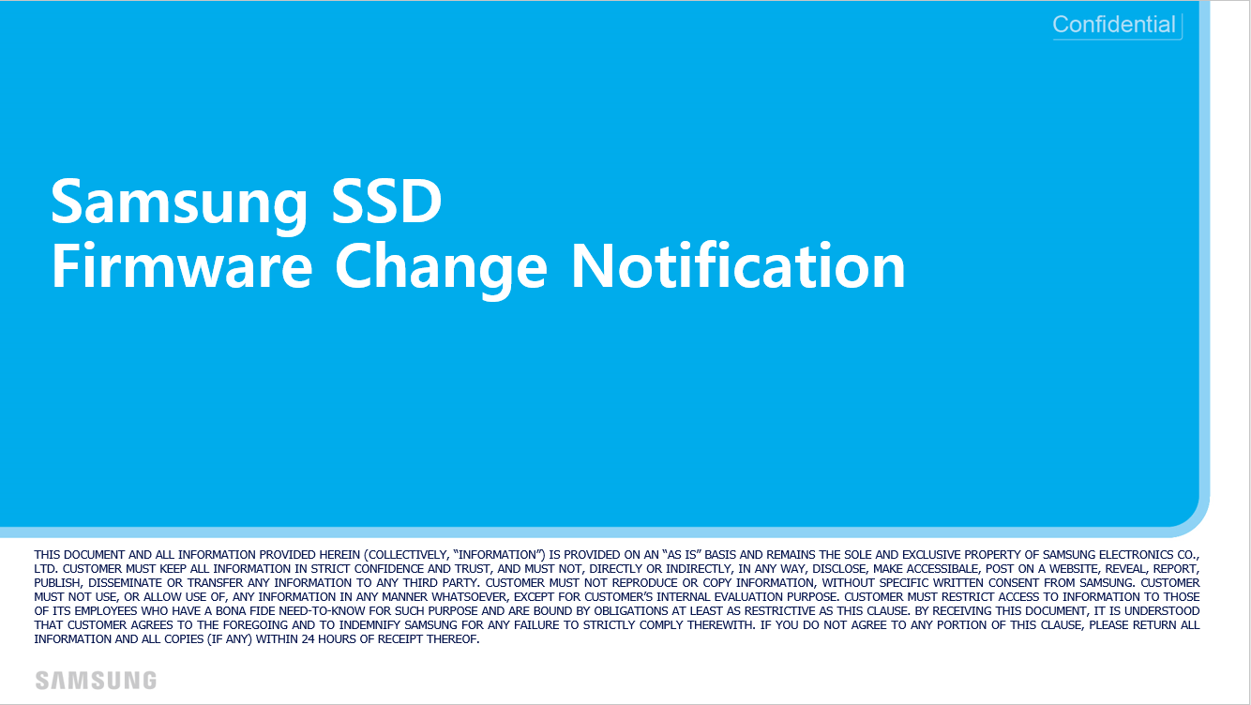

PM1733 EVT2 Generic

